MFU-FH-ITP-0009
 |  |  | Inspection and Test Plan - Granular Pavements Crushed Rock Class 2 |  |  |  |  |  |  |  | Document # ITP-005

Client: | VIVA Energy |  | Construction Process: | Crushed Rock Class 2 |  | Prepared by: |  | Reviewed by : |  |  | Approved by :
Project: | Shell Parade |  | Specifications: | VicRoads Specifications Section 173, 204, 304 & 812 |  | Name | James Gardiner | Name: | Syeed Abu |  | Name: | Simon Jaworski
Contract No: | 7ABE0270 |  | Structure / Component: | Earthworks/Civil
 |  |  | Location: | Shell Parade Rehabilitation |  | Date: |  | Date: |  |  | Date:

Lot No: |  |  | Lot Title: Shell Parade |  | Location CH: 4.6km - 6.08km |  |  | Lot Size/ Quantity: |  |  | Lot Opened Date:
Item | Task/Activity Description |  | Inspection / Controls and Verification Detail |  |  |  |  | HP/ WP/ AP/ IP/ TP/ SCP | Responsibility | Checked by:
No. |  |  | Frequency | Acceptance Criteria | Reference Documents | Inspection / Test Method | Record of conformity |  | Project Engineer Site Engineer Superintendent Surveyor Foreman | Superintendent | Fulton Hogan | FH's Sub-contractor | Date
1 | Preliminary Works
1.1 | Crushed Rock Mix design |  | Prior to Commencing Work | Crushed rock mixes proposed for use on specified works shall be registered in accordance with VicRoads Code of Practice for Registration of Crushed Rock Mix Designs as listed in Section 175. | VicRoads Spec. Cl.812.09 | Document Review | Mix Design VicRoads Approval | HP* | Project Engineer | N/A |  | N/A
2 | Placing Fill
2.1 | Transverse Joints |  | Check prior to placing material | Material should be spread to minimize number of jointsTransverse joints shall be offset from one layer to next by not less than 2 metres | VicRoads Spec. Cl.304.07 (a) Cl.304.07 (c) | Site Inspection | Signed ITP | IP | Project Engineer | N/A |  | N/A
2.2 | Longitudinal Joints |  | Check prior to placing material | Material should be spread to minimize number of jointsLongitudinal joints offset from one layer to next by not less than 150mmLongitudinal joints to be located within 300mm from planned traffic lane lines or within 300 mm of the centre of a traffic lane. | VicRoads Spec. Cl.304.07 (a) Cl.304.07 (d) Cl.304.07 (e) | Site Inspection | Signed ITP | IP | Project Engineer | N/A |  | N/A
2.3 | Lot Size |  | Check prior to placing material | A single lot shall be considered a single layer of 4000m2 or one days production in a single layer, whichever is lesser. | VicRoads Spec. Cl.304.08 (b)(ii) Table 304.111 | Site Inspection | Signed ITP | IP | Project Engineer | N/A |  | N/A
2.4 | Proof Roll |  | After placing material | Pavement lots should be subject to proof roll as outlined in VicRoads Section 173, under supervision of Superintendent | VicRoads Spec. Cl.304.08(b)(iv) Cl. 173 | Site Inspection | Signed ITP | HP | Project Engineer / DTP / VIVA |  |  | N/A
3 | Testing Requirements
3.1 | Determine Testing Scale & Initial testing frequency |  | Prior to Testing | Table 204.161 from VicRoads Standard nominates the level of testing required for acceptance of Surface Level Measurement. Scale B - Initially test every lot until 2 consecutive lots of like material and/or work have achieved the standards specified in Clauses 304.08. and 304.10. If no failures, Reduced Frequency applies as specified in Table 304.111. | VicRoads Spec. Table 204.161 VicRoads Spec. Cl.304.08 (a) Cl.304.11 (b) Cl.304.11 (c)(i) Table 304.111 | Document Review/ Site Inspection | Signed ITP | IP | Project Engineer | N/A |  | N/A
3.2 | Modified Compactive Effort |  | As per 3.1 | Characteristic Value of Density Ratio for Subbase:- > 97.0% (Scale B) 1 per every lot | VicRoads Spec. Table 304.081 | Site Inspection | Test Records | TP | Project Engineer | N/A |  | N/A
3.3 | Survey Level Conformity |  | At completion | Scale B: - Minimum number of measurements per lot: 40 For Upper - Upper Subbase: Mean + 6mm to - 12mm with a maximum Standard Deviation of 8mm - Lower Subbase: Mean +8mm to -16mm with a maximum Standard Deviation of 10mm. - Base: Mean ± 8mm with a maximum Standard Deviation of 8mm. | VicRoads Spec. Table 304.061 Table 304.062 | Site Inspection | Test Records | TP | Project Engineer | N/A |  | N/A
Notes

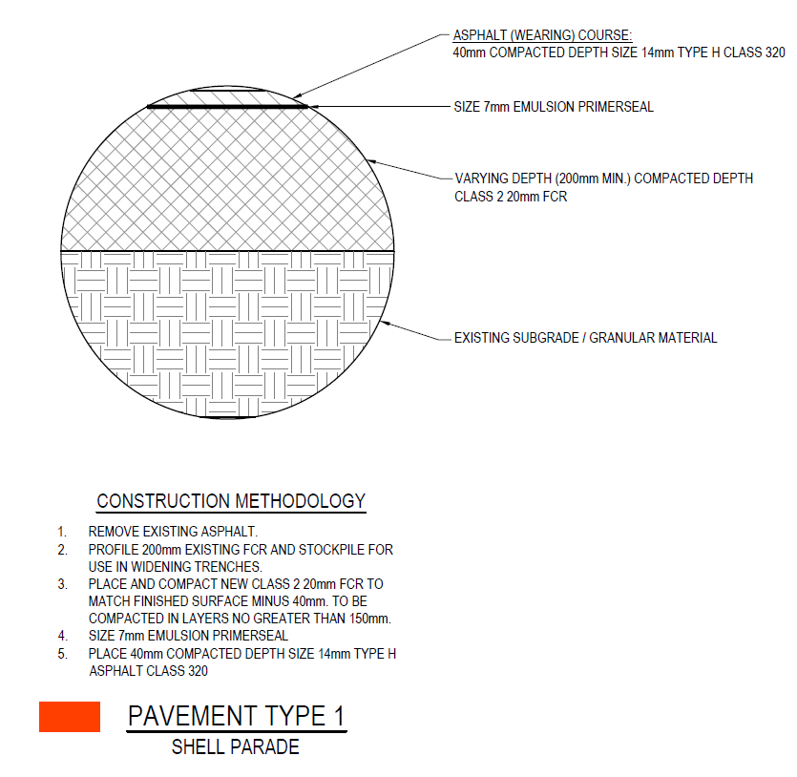 |  |  |  | 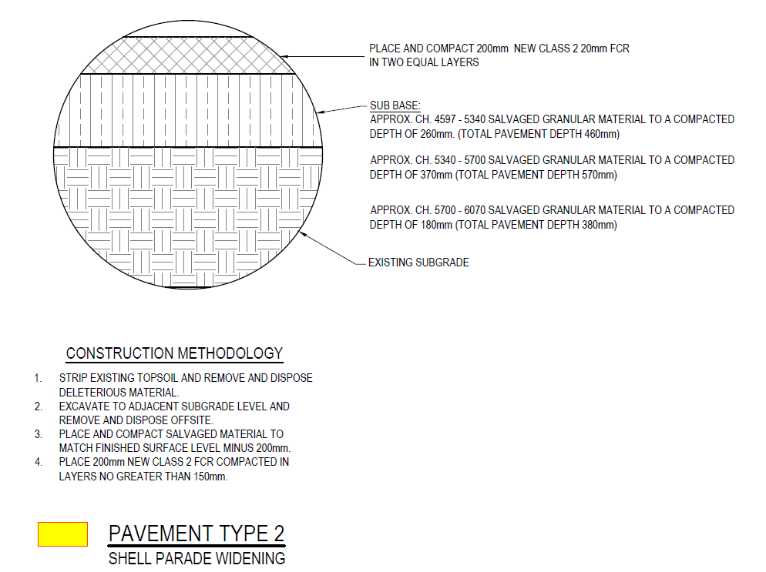 |  |  | 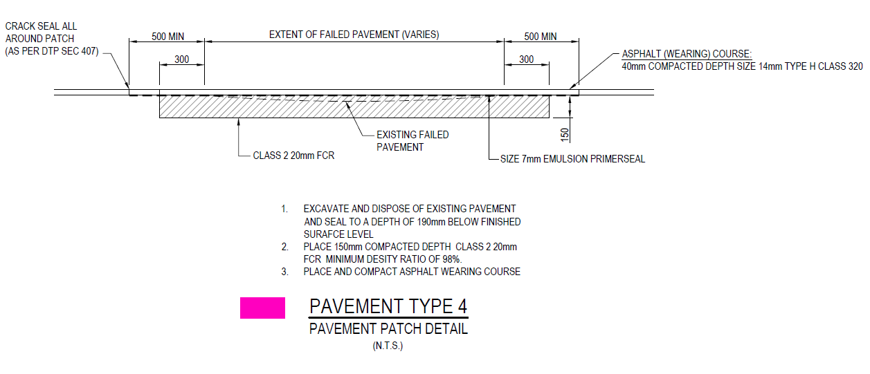
Final Inspection
The signature below verifies that this ITP has been completed in accordance with the FH’s Quality system Procedures and verifies lot compliance with specifications.
Print Name: James Gardiner |  | Position: Project Engineer |  | Signature: |  |  |  |  | Date: / /
Legend
HP | Hold Point | Work shall not proceed past the HP until released by the Superintendent |  |  | IP | Inspection point |  | Formal Inspection to be done and recorded
HP* | FH Hold Point | Work shall not proceed past the HP* until released by FH |  |  | TP | Test Point |  | Product compliance test to be undertaken and recorded/reported
AP | Approval Point | Written or verbal approval given by the Superintendent |  |  | SCP | Survey conformance point |  | A qualified surveyor to check product/section/structure and report
 |  |  |  |  | WP | Witness Point |  | An inspection which must be witnessed by the Superintendent

